Sheet1
Date : 2023-11-01~11-30

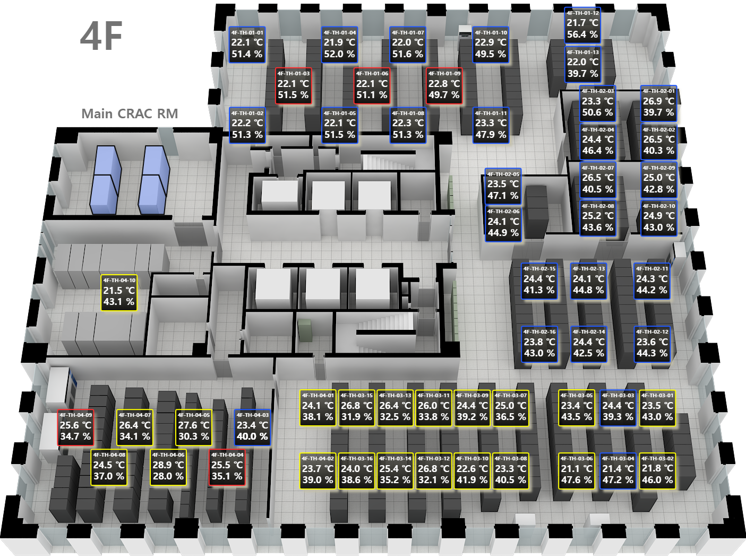
 | Device Name | 4/F |  | 5/F |  | 6/F |  | 7/F
 |  | Average Temp. | Ave Hum. | Average Temp. | Ave Hum. | Average Temp. | Ave Hum. | Average Temp. | Ave Hum.
GS-ITM | TH-01-01 | 22.07 ℃ | 49.73 % | 20.15 ℃ | 45.59 % | 22.16 ℃ | 41.53 % | 25.92 ℃ | 38.77 %
GS-ITM | TH-01-02 | 22.21 ℃ | 49.78 % | 22.72 ℃ | 39.01 % | 24.67 ℃ | 35.68 % | 25.73 ℃ | 39.86 %
GS-ITM | TH-01-03 | 22.20 ℃ | 49.22 % | 22.86 ℃ | 38.48 % | 22.27 ℃ | 42.12 % | 28.03 ℃ | 34.44 %
GS-ITM | TH-01-04 | 22.07 ℃ | 49.72 % | 24.97 ℃ | 33.58 % | 22.06 ℃ | 42.18 % | 27.00 ℃ | 36.06 %
GS-ITM | TH-01-05 | 22.21 ℃ | 49.27 % | 22.96 ℃ | 38.80 % | 22.33 ℃ | 42.05 % | 28.68 ℃ | 32.98 %
GS-ITM | TH-01-06 | 22.33 ℃ | 48.83 % | 24.13 ℃ | 36.22 % | 21.18 ℃ | 46.29 % | 28.19 ℃ | 33.21 %
GS-ITM | TH-01-07 | 22.64 ℃ | 47.92 % | 28.51 ℃ | 27.74 % | 22.35 ℃ | 42.80 % | 25.34 ℃ | 39.22 %
GS-ITM | TH-01-08 | 22.43 ℃ | 48.52 % | 22.62 ℃ | 40.55 % | 22.15 ℃ | 43.49 % | 29.56 ℃ | 29.95 %
GS-ITM | TH-01-09 | 23.33 ℃ | 46.06 % | 23.28 ℃ | 39.48 % | 22.42 ℃ | 42.83 %
GS-ITM | TH-01-10 | 23.35 ℃ | 46.23 % |  |  | 22.83 ℃ | 42.86 %
GS-ITM | TH-01-11 | 23.59 ℃ | 45.41 % |  |  | 22.54 ℃ | 42.92 %
GS-ITM | TH-01-12 | 22.37 ℃ | 51.00 % |  |  | 23.03 ℃ | 40.98 %
GS-ITM | TH-01-13 | 22.26 ℃ | 51.30 % |  |  | 23.28 ℃ | 40.74 %
GS-ITM | TH-01-14 |  |  |  |  | 23.23 ℃ | 40.23 %
GS-ITM | TH-01-15 |  |  |  |  | 23.34 ℃ | 39.55 %
GS-ITM | TH-01-16 |  |  |  |  | 24.29 ℃ | 37.84 %
 | TH-02-01 | 26.56 ℃ | 37.97 % | 21.01 ℃ | 44.15 % | 25.00 ℃ | 35.26 % | 26.47 ℃ | 36.46 %
 | TH-02-02 | 25.84 ℃ | 39.40 % | 21.18 ℃ | 43.67 % | 22.28 ℃ | 47.73 % | 27.43 ℃ | 34.57 %
 | TH-02-03 | 23.86 ℃ | 46.68 % | 21.47 ℃ | 43.19 % | 28.61 ℃ | 29.19 % | 27.54 ℃ | 33.89 %
 | TH-02-04 | 26.50 ℃ | 38.64 % | 26.14 ℃ | 31.93 % | 23.91 ℃ | 37.78 % | 27.58 ℃ | 34.30 %
 | TH-02-05 | 23.98 ℃ | 44.07 % | 26.40 ℃ | 31.44 % | 25.67 ℃ | 36.52 % | 28.08 ℃ | 33.03 %
 | TH-02-06 | 23.96 ℃ | 43.21 % | 27.17 ℃ | 29.98 % | 24.48 ℃ | 36.82 % | 29.61 ℃ | 30.27 %
 | TH-02-07 | 26.27 ℃ | 38.68 % | 20.77 ℃ | 44.69 % | 23.08 ℃ | 39.87 % | 27.45 ℃ | 35.58 %
 | TH-02-08 | 25.44 ℃ | 41.30 % | 21.46 ℃ | 42.96 % | 22.23 ℃ | 41.76 % | 26.68 ℃ | 36.53 %
 | TH-02-09 | 25.06 ℃ | 40.27 % | 21.95 ℃ | 42.42 % | 22.72 ℃ | 40.23 % | 24.73 ℃ | 43.51 %
 | TH-02-10 | 25.08 ℃ | 40.10 % | 22.46 ℃ | 40.74 % | 22.34 ℃ | 41.04 % | 24.78 ℃ | 41.77 %
 | TH-02-11 | 24.38 ℃ | 41.85 % | 23.25 ℃ | 38.73 % | 22.45 ℃ | 41.47 %
 | TH-02-12 | 23.71 ℃ | 42.88 % | 22.27 ℃ | 40.98 % | 23.06 ℃ | 39.30 %
 | TH-02-13 | 24.15 ℃ | 42.32 % | 25.71 ℃ | 34.73 % | 23.05 ℃ | 39.53 %
 | TH-02-14 | 24.43 ℃ | 40.88 % | 26.11 ℃ | 33.51 %
 | TH-02-15 | 24.61 ℃ | 39.85 %
 | TH-02-16 | 23.97 ℃ | 41.50 %
 | TH-03-01 | 23.86 ℃ | 42.08 % | 23.77 ℃ | 46.33 % | 23.95 ℃ | 39.61 % | 26.03 ℃ | 38.20 %
 | TH-03-02 | 21.69 ℃ | 47.05 % | 26.41 ℃ | 33.47 % | 22.67 ℃ | 42.48 % | 27.36 ℃ | 35.07 %
 | TH-03-03 | 24.46 ℃ | 39.72 % | 27.95 ℃ | 31.19 % | 23.41 ℃ | 40.55 % | 28.55 ℃ | 32.58 %
 | TH-03-04 | 21.80 ℃ | 46.65 % | 26.64 ℃ | 32.85 % | 23.71 ℃ | 39.76 % | 30.04 ℃ | 29.94 %
 | TH-03-05 | 23.70 ℃ | 42.17 % | 31.08 ℃ | 25.04 % | 22.79 ℃ | 42.36 % | 28.53 ℃ | 31.96 %
 | TH-03-06 | 21.67 ℃ | 47.06 % | 24.46 ℃ | 38.28 % | 23.18 ℃ | 41.22 % | 25.79 ℃ | 39.01 %
 | TH-03-07 | 25.38 ℃ | 47.06 % | 23.88 ℃ | 39.98 % | 23.34 ℃ | 39.85 % | 26.79 ℃ | 37.23 %
 | TH-03-08 | 23.56 ℃ | 41.27 % | 25.80 ℃ | 35.68 % | 23.19 ℃ | 40.55 % | 25.54 ℃ | 39.59 %
 | TH-03-09 | 25.05 ℃ | 38.09 % | 30.57 ℃ | 25.73 % |  |  | 25.88 ℃ | 38.77 %
 | TH-03-10 | 23.15 ℃ | 42.02 % | 23.37 ℃ | 41.59 %
 | TH-03-11 | 26.13 ℃ | 34.60 % | 20.65 ℃ | 36.52 %
 | TH-03-12 | 27.36 ℃ | 31.91 % | 25.36 ℃ | 36.52 %
 | TH-03-13 | 26.34 ℃ | 33.73 % | 23.11 ℃ | 41.69 %
 | TH-03-14 | 25.36 ℃ | 36.27 % | 22.43 ℃ | 43.50 %
 | TH-03-15 | 27.04 ℃ | 32.27 %
 | TH-03-16 | 23.96 ℃ | 39.49 %
 | TH-04-01 | 24.08 ℃ | 38.72 % | 26.11 ℃ | 34.99 % | 23.22 ℃ | 40.77 % | 25.79 ℃ | 38.57 %
 | TH-04-02 | 23.93 ℃ | 39.35 % | 22.34 ℃ | 44.16 % | 23.20 ℃ | 40.51 % | 26.47 ℃ | 36.85 %
 | TH-04-03 | 23.55 ℃ | 40.21 % | 21.65 ℃ | 46.53 % | 23.26 ℃ | 40.43 % | 25.14 ℃ | 39.99 %
 | TH-04-04 | 25.50 ℃ | 35.63 % | 22.00 ℃ | 44.87 % | 23.14 ℃ | 41.88 % | 25.79 ℃ | 38.66 %
 | TH-04-05 | 27.71 ℃ | 30.64 % | 22.79 ℃ | 42.96 % | 23.15 ℃ | 40.98 % | 25.19 ℃ | 40.06 %
 | TH-04-06 | 28.89 ℃ | 28.48 % | 22.90 ℃ | 43.00 % | 23.52 ℃ | 40.27 % | 27.08 ℃ | 35.92 %
 | TH-04-07 | 25.83 ℃ | 34.30 % | 22.80 ℃ | 43.00 % | 23.15 ℃ | 41.50 % | 23.32 ℃ | 45.21 %
 | TH-04-08 | 24.99 ℃ | 36.23 % | 22.73 ℃ | 43.08 % | 23.12 ℃ | 40.17 % | 23.40 ℃ | 46.32 %
 | TH-04-09 | 26.41 ℃ | 33.39 % | 22.79 ℃ | 42.63 % | 23.14 ℃ | 41.09 %
 | TH-04-10 | 21.50 ℃ | 43.46 % | 22.87 ℃ | 42.15 % | 22.91 ℃ | 40.43 %
 | TH-04-11 |  |  | 22.87 ℃ | 42.77 % | 22.97 ℃ | 42.25 %
 | TH-04-12 |  |  | 23.24 ℃ | 40.85 % | 22.80 ℃ | 33.64 %
 | TH-04-13 |  |  |  |  | 26.35 ℃ | 33.64 %
 | TH-05-01 |  |  |  |  |  |  | 22.37 ℃ | 46.88 %
 | TH-05-02 |  |  |  |  |  |  | 24.63 ℃ | 44.07 %
 | TH-05-03 |  |  |  |  |  |  | 23.66 ℃ | 44.44 %
 | TH-05-04 |  |  |  |  |  |  | 28.28 ℃ | 33.62 %
 | TH-05-05 |  |  |  |  |  |  | 24.63 ℃ | 43.34 %
 | TH-05-06 |  |  |  |  |  |  | 25.46 ℃ | 40.62 %
 | TH-05-07 |  |  |  |  |  |  | 24.78 ℃ | 42.96 %
 | TH-05-08 |  |  |  |  |  |  | 27.97 ℃ | 34.41 %
 | TH-05-09 |  |  |  |  |  |  | 22.34 ℃ | 48.21 %
 | TH-05-10 |  |  |  |  |  |  | 24.16 ℃ | 44.68 %
 | TH-05-11 |  |  |  |  |  |  | 24.88 ℃ | 38.65 %
 | TH-05-12 |  |  |  |  |  |  | 23.72 ℃ | 40.38 %

